Bao cao phe duyet HS
Note: | 1 id trong bảng lead xuất hiện nhiều lần trong bảng lead_lichsu
 | SELECT Id as Leadls_Id, LeadHoSoId, LeadId, NhomTrangThaiId, TrangThaiId, SanPhamId, CreationTime, ROW_NUMBER() OVER(PARTITION BY LeadId --get the latest record of LeadId ORDER BY Id DESC) AS RN FROM dbo.Lead_LichSu WHERE CreationTime between '2023-06-01' and '2023-06-02' and LeadId = 8371861 and NhomTrangThaiId =5

 |  |  | Partition theo LeadId vì LeadId, Order DESC theo Id của Lead_LichSu để lấy bản ghi gần nhất với RN=1

 |  |  | 1 leadid có thể chọn nhiều sản phẩm cùng lúc (Liệu có cần lấy theo LaSanPhamChinh)
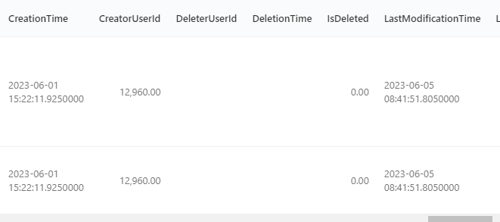

SELECT leadHS.Id, LeadHS.LeadId, LeadHS.SanPhamId, LeadHS.LaSanPhamChinh, sp.Id as SPId, sp.LoaiSanPhamId, lsp.tenloaisanpham FROM dbo.Lead_HoSo leadHS LEFT JOIN dbo.SP_sanpham AS sp ON sp.Id = leadHS.SanPhamId LEFT JOIN dbo.SP_LoaiSanPham AS lsp ON sp.loaisanphamid = lsp.id WHERE LeadHS.LeadId = 8371861
 |  |  | Ngày cập nhật có nên lấy theo LastmodificationTime

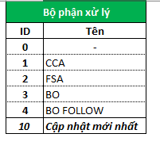
select LeadId, MaNguonLead, BoPhanXuLyId from dbo.Lead_ThongTinChung where LeadId= 8371861

 |  | lấy BoPhanXuLyId = 10

sale funnel
Lead nhận từ ngày | Lead nhận đến ngày | FromNgày kết quả | ToNgayketqua | Dự án | Chiến dịch | Trung tâm kinh doanh | Tên nhóm người dùng | Mã nguồn lead | Username
Ngày lead phân bổ về team CCA trong khoảng thời gian tìm kiếm | Ngày lead phân bổ về team CCA trong khoảng thời gian tìm kiếm | Ngày theo trạng thái cuối cùng của lead | Ngày theo trạng thái cuối cùng của lead
Ngaytaolead |  | Ngaycapnhat
tên nhóm người dùng | Số giờ làm việc -CCA T | Số lượng nhân sự BQ - X | Leadnhan - CCA LN | Leadnhan BQ - LNBQ | Leadtiepcan | Leadtiepcan BQ - LTC | Leadchuaxuly - CCA | LeadHGL
 |  | (a + b +…+ c)/n | Là tổng số lượng lead được phân bổ về team trong khoảng thời gian báo cáo | LN / (N x T) | Tổng số lượng Lead nhận có ngày cập nhật trạng thái tại nhóm CCA trong khoảng thời gian tìm kiếm (được tiếp cận) Lead có nhóm trạng thái id =1 trạng thái id # 0 lấy theo date_report | LTC / (N x T)

case WHEN at.NhomTrangThaiId =1 and at.TrangThaiId = 0 THEN N'Chưa xử lý' WHEN at.NhomTrangThaiId =1 and at.TrangThaiId = 1 THEN N'Đồng ý tham gia' WHEN at.NhomTrangThaiId =1 and at.TrangThaiId = 2 THEN N'Từ chối tham gia' WHEN at.NhomTrangThaiId =1 and at.TrangThaiId = 3 THEN N'Không đủ điều kiện' WHEN at.NhomTrangThaiId =1 and at.TrangThaiId = 4 THEN N'Không liên lạc được' WHEN at.NhomTrangThaiId =1 and at.TrangThaiId = 5 THEN N'Hẹn gọi lại' WHEN at.NhomTrangThaiId =1 and at.TrangThaiId = 6 THEN N'Sai số điện thoại' End as 'Nhóm trạng thái CCA follow', |  |  |  |  | 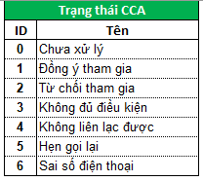 |  | Tham khảo: Báo cáo chi tiết lead TC - Thinhtientech | CRM sale funnel

 |  |  |  |  |  |  | Lead_LichSu Left Join DM_LyDoTrangThaiLead On ls.LyDoTrangThaiLead = ld.Id

case WHEN at.NhomTrangThaiId =2 and at.TrangThaiId = 0 THEN N'Chưa xử lý' WHEN at.NhomTrangThaiId =2 and at.TrangThaiId = 1 THEN N'Chốt khóa' WHEN at.NhomTrangThaiId =2 and at.TrangThaiId = 2 THEN N'Từ chối tham gia' WHEN at.NhomTrangThaiId =2 and at.TrangThaiId = 3 THEN N'Không đủ điều kiện' WHEN at.NhomTrangThaiId =2 and at.TrangThaiId = 4 THEN N'Không liên lạc được' WHEN at.NhomTrangThaiId =2 and at.TrangThaiId = 5 THEN N'Hẹn gọi lại' End as 'Nhóm trạng thái Chốt khóa',
 |  |  |  |  | 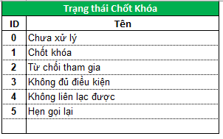

case WHEN at.NhomTrangThaiId =3 and at.TrangThaiId = 0 THEN N'Chưa xử lý' WHEN at.NhomTrangThaiId =3 and at.TrangThaiId = 1 THEN N'Thu đầy đủ hồ sơ' WHEN at.NhomTrangThaiId =3 and at.TrangThaiId = 2 THEN N'Từ chối' WHEN at.NhomTrangThaiId =3 and at.TrangThaiId = 3 THEN N'Không đủ điều kiện' WHEN at.NhomTrangThaiId =3 and at.TrangThaiId = 4 THEN N'Không liên lạc được' WHEN at.NhomTrangThaiId =3 and at.TrangThaiId = 5 THEN N'Chuyển hẹn' WHEN at.NhomTrangThaiId =3 and at.TrangThaiId = 6 THEN N'Chuyển CCA tư vấn lại' WHEN at.NhomTrangThaiId =3 and at.TrangThaiId = 7 THEN N'Hủy hồ sơ' End as 'Nhóm trạng thái FSA', |  |  |  |  | 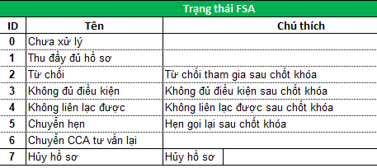

case WHEN at.NhomTrangThaiId =5 and at.TrangThaiId = 0 THEN N'Chưa xử lý' WHEN at.NhomTrangThaiId =5 and at.TrangThaiId = 1 THEN N'Approve' WHEN at.NhomTrangThaiId =5 and at.TrangThaiId = 2 THEN N'Cancel' WHEN at.NhomTrangThaiId =5 and at.TrangThaiId = 3 THEN N'Quick' WHEN at.NhomTrangThaiId =5 and at.TrangThaiId = 4 THEN N'Reject' WHEN at.NhomTrangThaiId =5 and at.TrangThaiId = 5 THEN N'Processing' WHEN at.NhomTrangThaiId =5 and at.TrangThaiId = 6 THEN N'Return' End as 'Nhóm trạng thái BO follow', |  |  |  |  | 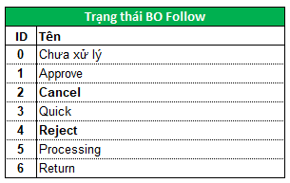

Note: Leadid và LeadHoSoId là duy nhất 1 LeadId có nhiều LeadLichSuId và LeadThongTinchungID sau mỗi lần qua các bộ phận xử lý khác nhau. LeadHoSoId chỉ hình thành khi hồ sơ khách hàng được duyệt thành công và tiếp cận đến kích hoạt thẻ hoặc giải ngân. CreationTime trong Lead_LichSu là Ngày giờ cập nhật, DATE_REPORT là ngày cập nhật
Lead | Lead_LichSu | Lead_ThongTinChung | Lead_HoSo
bao gồm thông tin về số điện thoại, thời gian phân bổ cho CCA, FSA, BO,.... và trạng thái cca id/bo/bo follow, trạng thái lead Id, Lead này đã đi qua những bước xử lý nào | Kết quả mỗi lần bộ phận cca/fsa/bo/bo follow xử lý và trả về kết quả nghe máy, từ chối, hẹn gặp lại, bổ sung hồ sơ,.... | thông tin chi tiết về khách hàng được update qua mỗi lần bộ phận cca/fsa/bo xử lý, filter Bophanxulyid = 10 (cập nhật mới nhất) | sau khi vượt qua các vòng xử lý và ra kết quả CC hoặc UPL, trạng thái bo/bo follow, ngày lên los, ngày phê duyệt, ngày trả về

